Hoja2
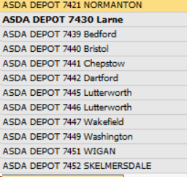
ASDA DEPOT | NORMANTON | 7421 | ASDA DEPOT 7421 NORMANTON
ASDA DEPOT | Larne | 7430 | ASDA DEPOT 7430 Larne
ASDA DEPOT | Bedford | 7439 | ASDA DEPOT 7439 Bedford
ASDA DEPOT | Bristol | 7440 | ASDA DEPOT 7440 Bristol
ASDA DEPOT | Chepstow | 7441 | ASDA DEPOT 7441 Chepstow
ASDA DEPOT | Dartford | 7442 | ASDA DEPOT 7442 Dartford
ASDA DEPOT | Lutterworth | 7445 | ASDA DEPOT 7445 Lutterworth
ASDA DEPOT | Lutterworth | 7446 | ASDA DEPOT 7446 Lutterworth
ASDA DEPOT | Wakefield | 7447 | ASDA DEPOT 7447 Wakefield
ASDA DEPOT | Washinton | 7449 | ASDA DEPOT 7449 Washinton
ASDA DEPOT | WIGAN | 7451 | ASDA DEPOT 7451 WIGAN
ASDA DEPOT | SKELMERSDALE | 7452 | ASDA DEPOT 7452 SKELMERSDALE
ASDA DEPOT |  | 7457 | ASDA DEPOT 7457
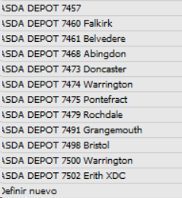
ASDA DEPOT | Falkirk | 7460 | ASDA DEPOT 7460 Falkirk
ASDA DEPOT | Belvedere | 4761 | ASDA DEPOT 4761 Belvedere
ASDA DEPOT | Abingdon | 7468 | ASDA DEPOT 7468 Abingdon
ASDA DEPOT | Doncaster | 7473 | ASDA DEPOT 7473 Doncaster
ASDA DEPOT | Warrington | 7474 | ASDA DEPOT 7474 Warrington
ASDA DEPOT | Pontefrac | 7475 | ASDA DEPOT 7475 Pontefrac
ASDA DEPOT | Rochdale | 7479 | ASDA DEPOT 7479 Rochdale
ASDA DEPOT | Grangemouth | 7491 | ASDA DEPOT 7491 Grangemouth
ASDA DEPOT | Bristol | 7498 | ASDA DEPOT 7498 Bristol
ASDA DEPOT | Warrington | 7500 | ASDA DEPOT 7500 Warrington
ASDA DEPOT | Erith XDC | 7502 | ASDA DEPOT 7502 Erith XDC

